Sheet1
enc
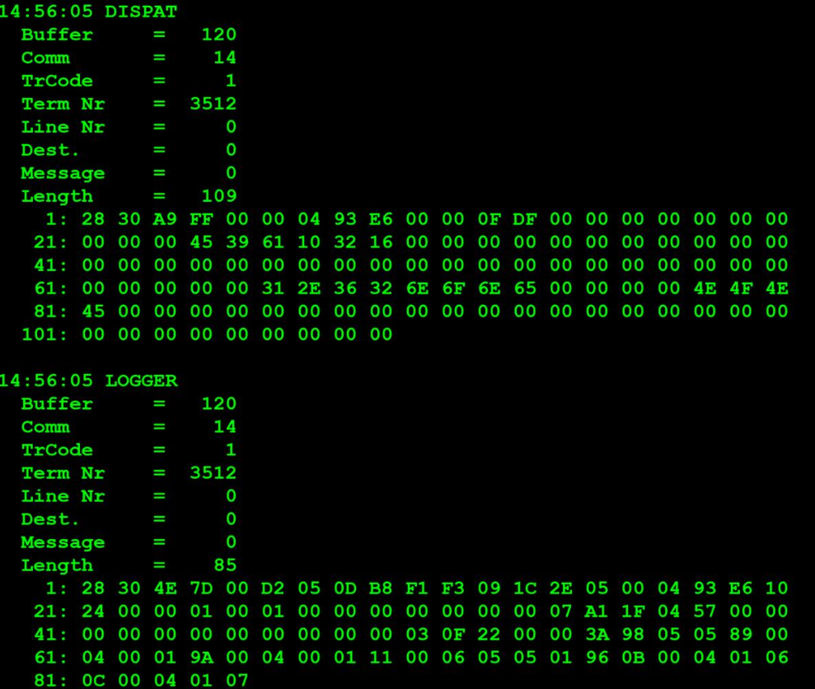
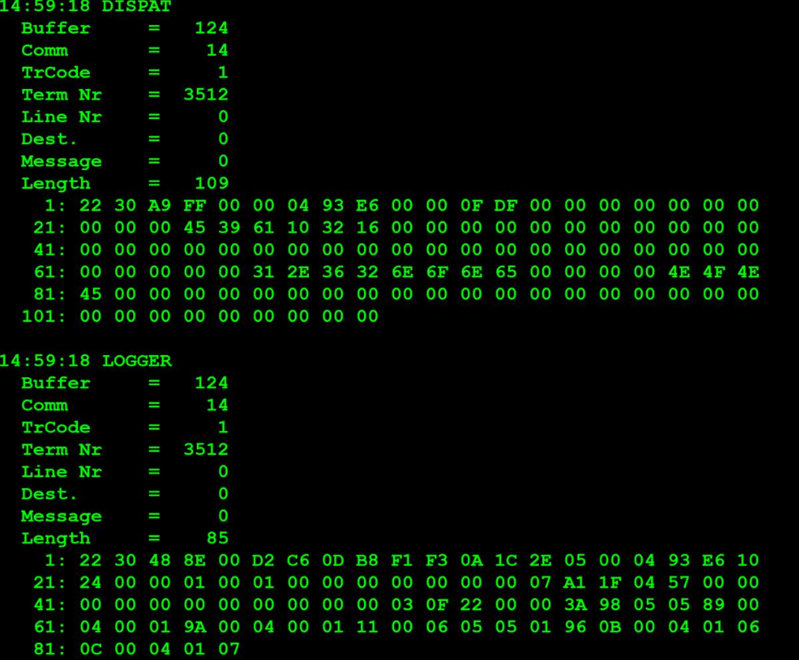

 | TestByte |  | Size | Field Contents
 | Start | End
 | 1 | 1 | 1 | Control | Sequence
 | 2 | 2 | 1 | Type = 3 | Subtype = 0
 | 3 | 4 | 2 | Checksum
 | 5 | 7 | 3 | Time
 | 8 | 9 | 2 | Terminal Number
 | 10 | 11 | 2 | Application Revision
 | 12 | 12 | 1 | Sign-on Count
 | 13 | 14 | 2 | CDC Date
 | 15 | 15 | 1 | Current Day of the Week (1=Mon, 2=Tues, etc.)
 | 16 | 19 | 4 | Agent Number
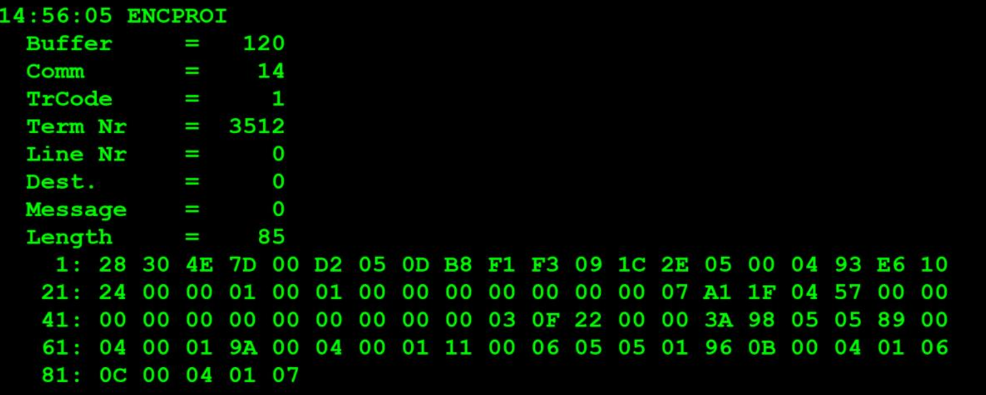
 | 20 | 20 | 1 | Clerk ID | Terminal Language
 | 21 | 22 | 2 | Terminal Option Flags (see note)
 | 23 | 24 | 2 | Wager Units
 | 25 | 26 | 2 | Validation Units (online only)
 | 27 | 28 | 2 | CDU text revision
 | 29 | 32 | 4 | Red Min
 | 33 | 36 | 4 | Red Max
 | 37 | 38 | 2 | Second Teller Password
 | 39 | 40 | 2 | Not used
 | 41 | 48 | 8 | Not used
 | 49 | 52 | 4 | Euro Currency Conversion Rate
 | 53 | 56 | 4 | Amount Limit for CDU

